📱 Structured — App 1
App 1 Evaluation (Characteristics 1–8)
50 min | Individual — use your own device | Min. 3 observations per characteristic

APP 1 METADATA
App 1 Name | Linkedin
Version Number | 9.1.538
Device Model | iphone 11
OS Version | iphone 26.4.1
Evaluation Date | 21-04-2026
Start Time | 14:30:00

B.2 CHARACTERISTIC 1 — Functional Suitability (Weight: 15%)
Feature / Use Case to Test | How to Test | Pass / Fail / Partial | Notes | Evidence Screenshot
Primary core function | Perform the app's main purpose (send msg / play song / navigate) | Pass | Make networking with same professional people and also jon searching | 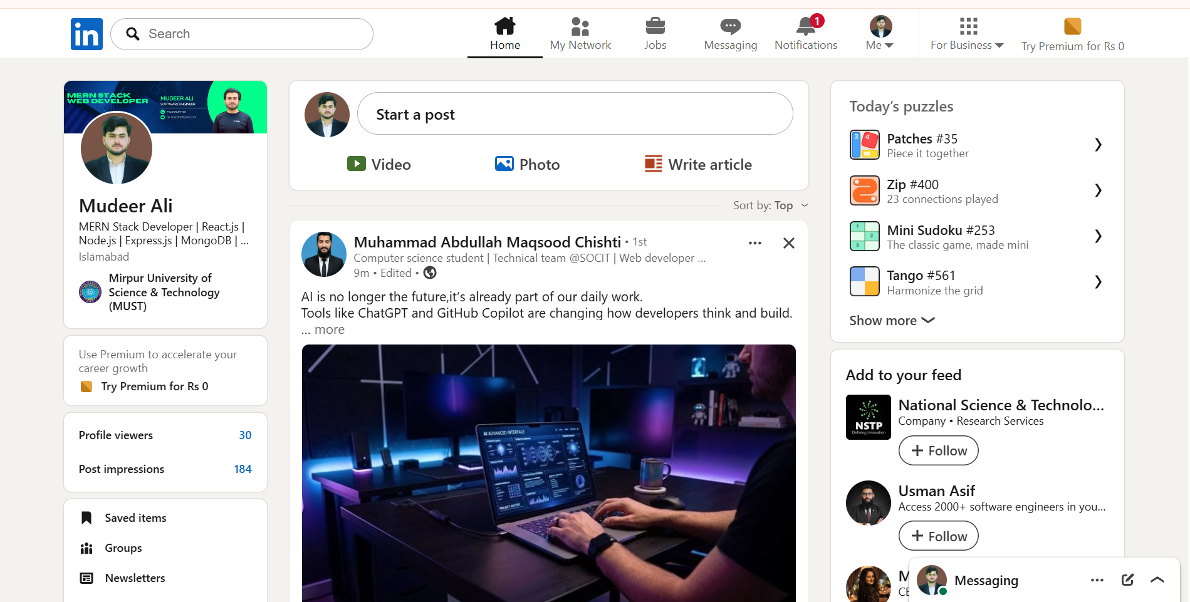
Secondary feature 1 | Test a key secondary feature (e.g. file sharing, playlist creation) | Pass | Messaging and networking features work properly | 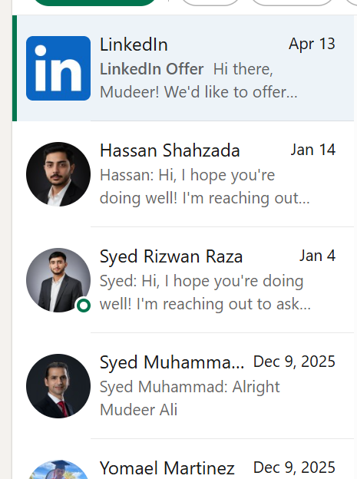
Secondary feature 2 | Test another secondary feature (e.g. voice call, offline maps) | Pass | Users can share updates and engage with posts | 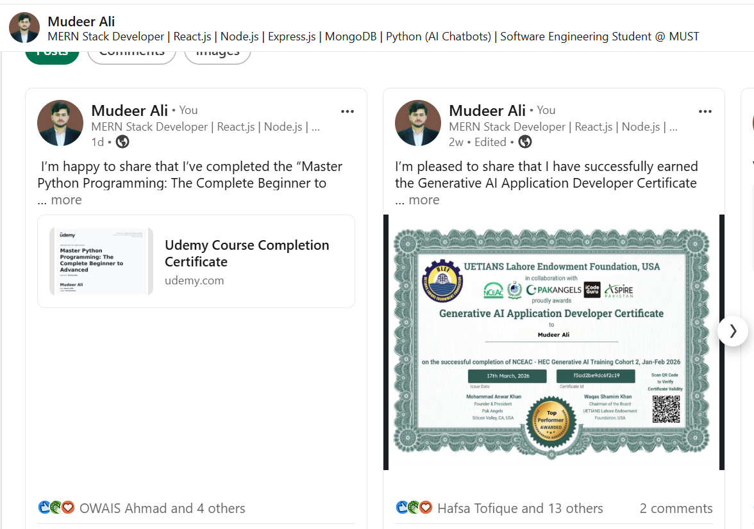
Error handling | Enter invalid input (empty fields, wrong format). What happens? | Pass | App shows clear error messages and prevents submission | 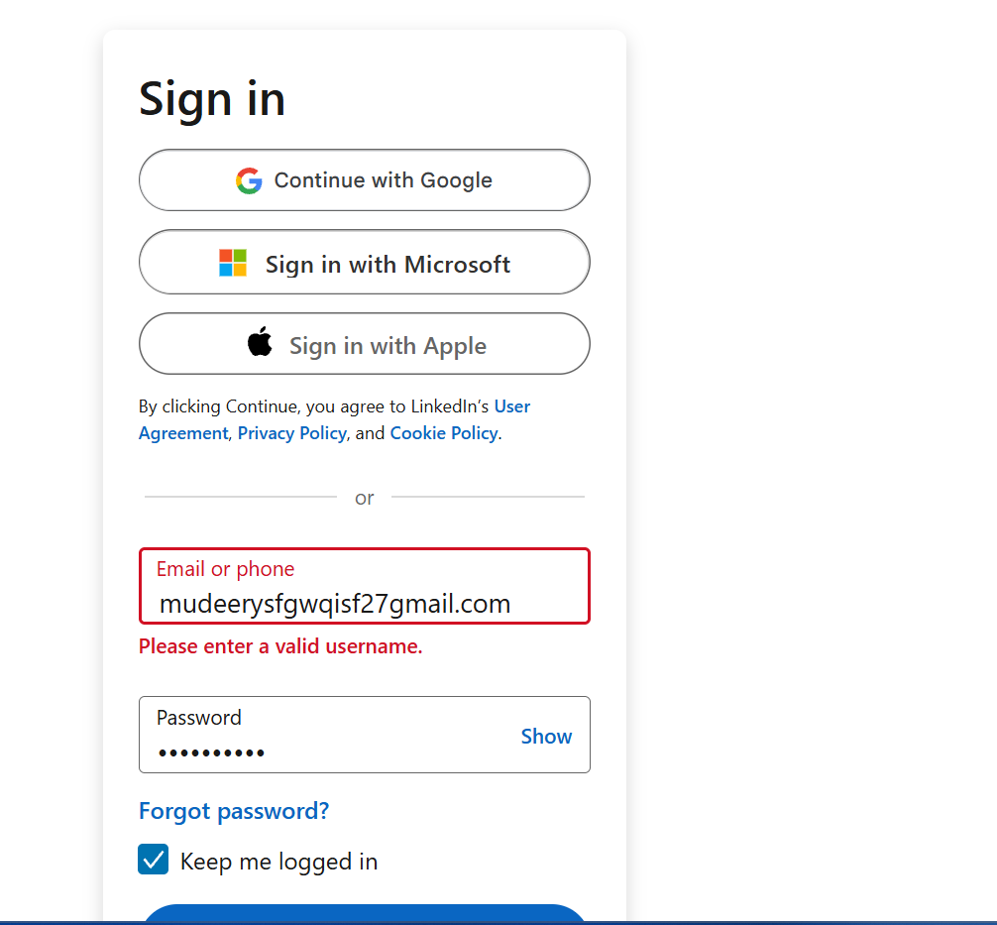
Edge case | Test with extreme inputs (very long text, large file, no internet) | pass | i want to try search the 50 lac perday job but i don'not find | 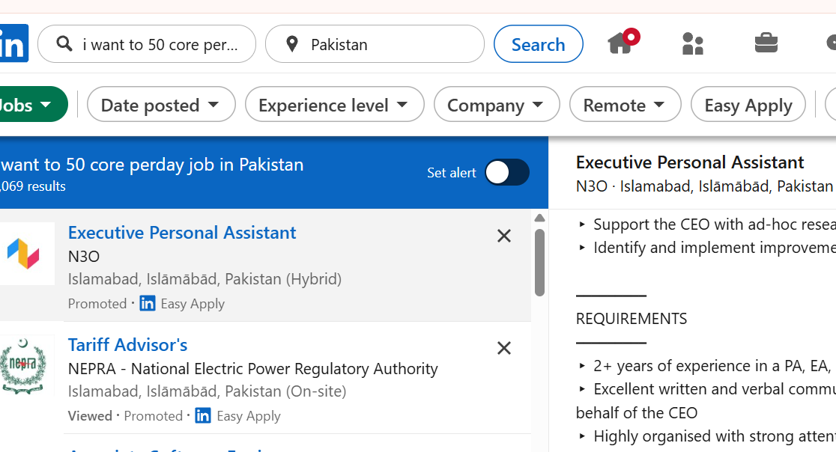
CHARACTERISTIC 1 RATING (1–5): |  |  | 5 | Justification:All test are clear

B.3 CHARACTERISTIC 2 — Performance Efficiency (Weight: 12%)
Measurement | Test Method | Your Result | Target (Rating 4+) | Notes
Cold start time | Stopwatch: tap app icon → fully usable screen | 10 | < 3 seconds | not according to the require time
Key operation 1 (primary) | Time the main action (search/send/load feed) | 5 | < 1 second | not according to the require time
Key operation 2 (secondary) | Time a secondary action (navigate/load image) | 1 | < 2 seconds | but reply late
Battery drain | Device Settings > Battery: % used in 10 min active use | 10 | < 3% | it used te battry more
Slow network | Switch to 4G only / poor signal — time key operation | 50 | < 5 seconds | no load
Data usage | Device Settings > Data: MB used in 10 min active use | 10 mb | < 10 MB | according to require Mb
CHARACTERISTIC 2 RATING (1–5): |  |  | 3 | Justification:because same test are fail

B.4 CHARACTERISTIC 3 — Compatibility (Weight: 10%)
Compatibility Check | What to Look For | Result | Evidence / Screenshot | Notes
Min OS version | Check Play Store / App Store listing for minimum supported OS | iOS 16.0 supported |  | Matches your metadata
Platform availability | List all platforms: Android, iOS, Windows, macOS, Web, Linux | Android, iOS, Web | 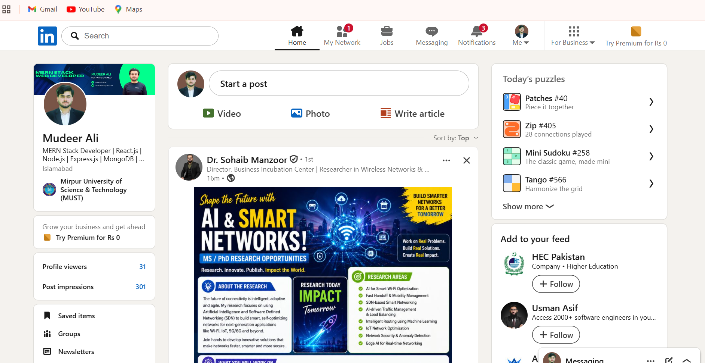 | No native Linux/macOS app (web used instead)
Cross-device sync | Log in on a 2nd device — do data & settings appear? | Pass | 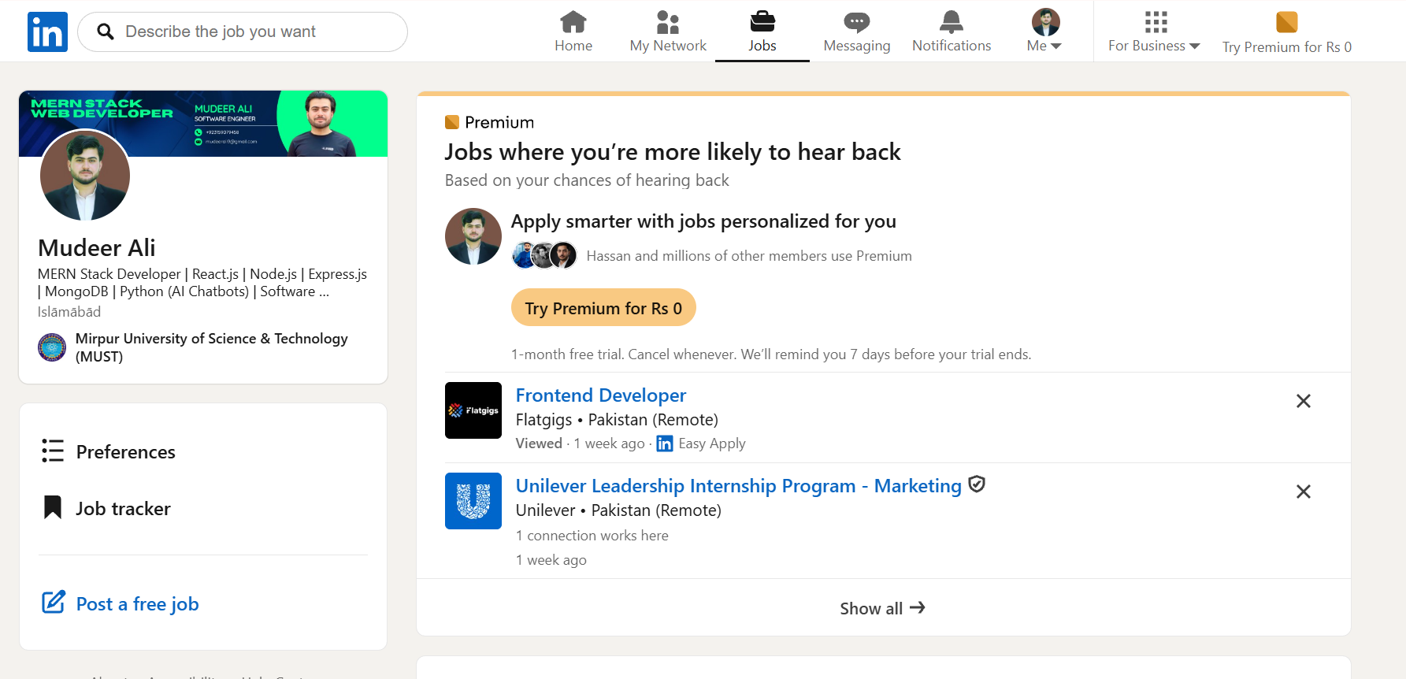 | Messages, profile, jobs sync via cloud
Content sharing (in) | Can you share content FROM other apps INTO this app? | Pass | 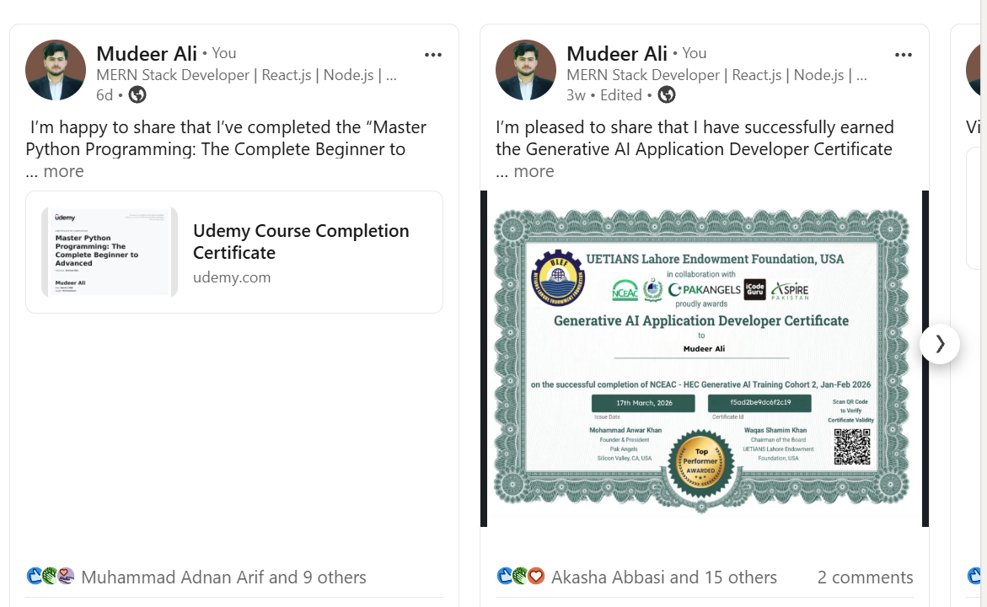 | Links/posts can be shared into LinkedIn
Content sharing (out) | Can you share content FROM this app to 3+ other apps? | Pass |  | Supports WhatsApp, Email, etc
Dark mode support | Does the app respect your OS dark mode / accessibility settings? | Pass |  | Fully supports system dark mode
OS version compat. | Any features broken on your specific OS version? | Partial |  | Slight lag on iPhone 11 (older hardware)
CHARACTERISTIC 3 RATING (1–5): |  |  | 4 | Justification:Most compatibility requirements are fully satisfied only same leg but it can b on poor network

B.5 CHARACTERISTIC 4 — Usability (Weight: 15%)
Task | Task Description | Time (sec) | Errors Made | Completed?
Task 1 | Find and change a core setting (notifications / theme / privacy) | 15 sec | 0 | Yes
Task 2 | Perform the primary function for the FIRST time (new message / playlist / route) | 10 sec | 0 | Yes
Task 3 | Find the Help or Support section | 20 sec | 1 | Yes
Task 4 | Share content FROM this app to another app | 12 sec | 0 | Yes
Task 5 | Delete an item (message, account entry, saved item) | 18 sec | 1 | Yes
ADDITIONAL USABILITY CHECKS
UI Check | What to Evaluate | Observation | Rating Impact | Score
Error messages | Are error messages clear and explain how to fix the issue? | Error messages are clear (e.g., invalid login, empty fields) and guide user actions | Positive | 4
Visual hierarchy | Is the most important info most prominent on key screens? | Feed, profile, and navigation icons are clearly visible and prioritized | Positive | 4
Onboarding | Is there any in-app onboarding / tutorial for new users? | Basic onboarding available but not very detailed | Positive | 3
Accessibility | Does the app support large text, high contrast, screen reader? | Supports dark mode, text scaling, and basic accessibility features | Positive | 4
CHARACTERISTIC 4 RATING (1–5): |  |  | 5 | Justification:The application is easy to navigate

B.6 CHARACTERISTIC 5 — Reliability (Weight: 15%)
Check | What to Look For | Result | Evidence / Screenshot | Notes
10-min continuous use | Use app continuously for 10 minutes — note any crashes or freezes | Pass |  | No crashes or freezes observed
Airplane Mode test | Enable Airplane Mode mid-session — observe how app handles no connectivity | Partial |  | Feed stops loading; previously loaded content visible
Reconnect recovery | Re-enable connectivity — does the app recover gracefully and sync data? | Pass |  | App reconnects and syncs data
Force-close mid-task | Force-close the app mid-task — is your progress saved when you reopen? | Pass |  | Drafts/messages not lost
Server error messaging | Check if the app shows meaningful error messages when server is unreachable | Partial |  | Messages sometimes not detailed
CHARACTERISTIC 5 RATING (1–5): |  |  | 4 | Justification:The app provides clear error messages, a well-structured interface, and supports accessibility features such as dark mode and text scaling.

B.7 CHARACTERISTIC 6 — Security (Weight: 15%)
Check | What to Look For | Result | Evidence / Screenshot | Notes
HTTPS / encryption | Check: does the app use HTTPS? (look for padlock in web version) | Pass |  | LinkedIn uses HTTPS for secure communication
Permissions audit | Review permission list in OS settings — are all permissions justified by the app's purpose? | Pass | 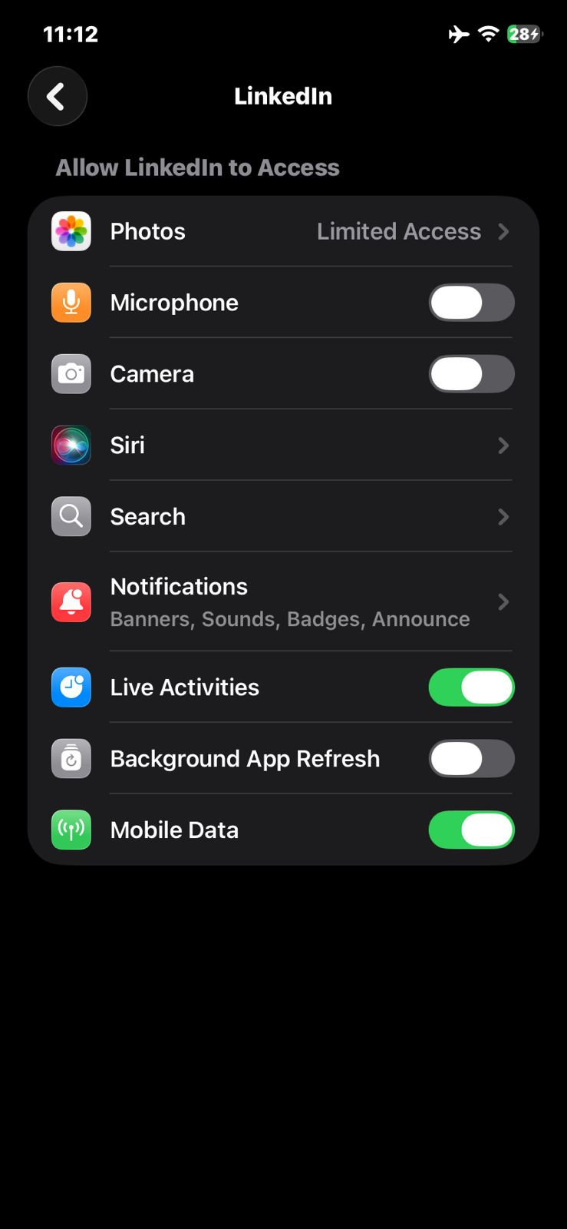 | Permissions (camera, notifications, contacts optional) are relevant
2FA / biometrics | Check: is 2FA / biometric login available in settings? | Pass |  | Supports 2FA and Face ID / biometrics
Privacy policy review | Review Privacy Policy — what data is collected? Is it sold to third parties? | Partial |  | Collects user data for ads and analytics
Login lockout | Test: what happens after 3 incorrect password attempts? | Pass |  | Temporary restriction applied
Auto-lock on inactivity | Check: does the app lock automatically after a period of inactivity? | Partial |  | App does not strictly auto-lock; remains logged in
CHARACTERISTIC 6 RATING (1–5): |  |  | 4 | Justification:The application is stable during continuous use and does not crash under normal conditions. It handles connectivity loss reasonably well and recovers automatically after reconnection.

B.8 CHARACTERISTIC 7 — Maintainability (Weight: 8%)
Check | What to Look For | Result | Evidence / Screenshot | Notes
Update frequency | Check app's update history: how frequently are updates released? | Pass |  | Updates released frequently (weekly/biweekly observed)
Changelog quality | Read release notes / changelog: are bug fixes clearly documented with specific details? | Partial |  | Notes are generic (e.g., “bug fixes and improvements”)
Open bugs review | Check app store reviews mentioning long-standing unfixed bugs | Partial |  | Some users report recurring bugs (performance, notifications)
CVE response history | Note how quickly the developer responded to critical security vulnerabilities historically | Unknown |  | I cannot confirm this (no verifiable public CVE response data specific to LinkedIn mobile
Bug tracker / channel | Check if a public bug tracker or feedback channel exists | Pass |  | Users can report issues via support/feedback
CHARACTERISTIC 7 RATING (1–5): |  |  |  | Justification:

B.9 CHARACTERISTIC 8 — Portability (Weight: 10%)
Check | What to Look For | Result | Evidence / Screenshot | Notes
Platform support | Check which platforms app supports: iOS, Android, Windows, macOS, Web, Linux? | Pass |  | Available on iOS, Android, and Web (browser-based for desktop OS)
Install / uninstall | Test installation and uninstallation process — is it clean with no residual files? | Pass |  | Available on iOS, Android, and Web (browser-based for desktop OS)
Cross-device data sync | Check if settings and data sync across devices automatically | Pass |  | Profile, messages, and settings sync via cloud
Accessibility sync | Verify the app respects system accessibility settings (font size, dark mode) | Pass |  | App follows system dark mode and font settings
CHARACTERISTIC 8 RATING (1–5): |  |  | 5 | Justification:The application is regularly updated and provides a feedback channel for reporting issues. However, changelogs lack detailed technical information, and some recurring bugs are reported by users.

📱 Structured — App 2
App 2 Evaluation (Characteristics 1–8)
50 min | Individual — use your own device | Min. 3 observations per characteristic

APP 2 METADATA
App 2 Name | Indeed
Version Number | 307.1
Device Model | Iphone 11
OS Version | 26.4.1
Evaluation Date | 25 4 2026
Start Time | 9:35:00

C.3 CHARACTERISTIC 1 — Functional Suitability (Weight: 15%)
Feature / Use Case to Test | How to Test | Pass / Fail / Partial | Notes | Evidence Screenshot
Primary core function | Perform the app's main purpose (send msg / play song / navigate) | Pass | Job search, filtering, and apply features work correctly | 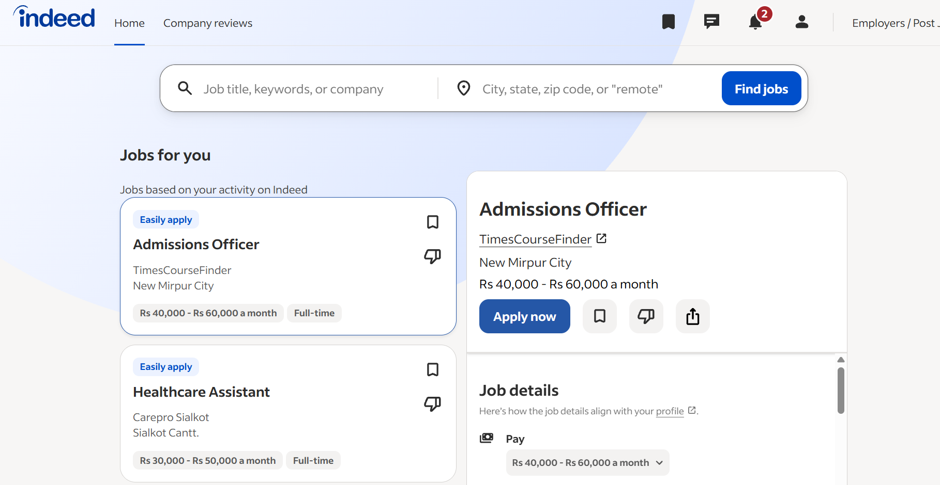
Secondary feature 1 | Test a key secondary feature (e.g. file sharing, playlist creation) | Pass | Users can save jobs and set job alerts successfully | 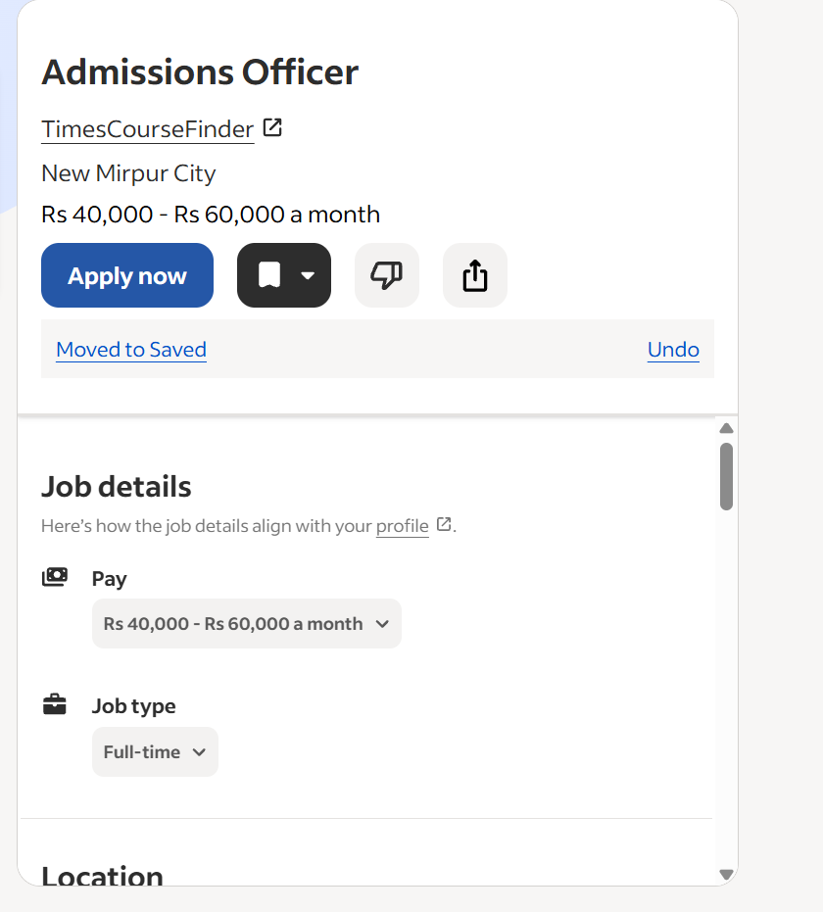
Secondary feature 2 | Test another secondary feature (e.g. voice call, offline maps) | Pass | Resume upload and profile setup works properly | 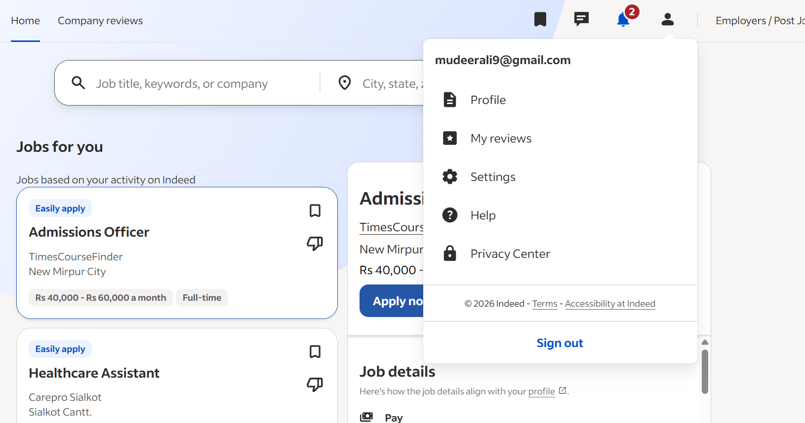
Error handling | Enter invalid input (empty fields, wrong format). What happens? | Pass | App shows clear validation messages and prevents submission
Edge case | Test with extreme inputs (very long text, large file, no internet) | Partial | App fails to load without internet; limited offline support
CHARACTERISTIC 1 RATING (1–5): |  |  | 5 | Justification:The application successfully performs its primary function of job searching and applying, along with key secondary features such as saving jobs and uploading resumes.

C.4 CHARACTERISTIC 2 — Performance Efficiency (Weight: 12%)
Measurement | Test Method | Your Result | Target (Rating 4+) | Notes
Cold start time | Stopwatch: tap app icon → fully usable screen | 3 sec | < 3 seconds | Slight delay on older device
Key operation 1 (primary) | Time the main action (search/send/load feed) | 2 sec | < 1 second | Search results take time to load
Key operation 2 (secondary) | Time a secondary action (navigate/load image) | 1.5 Sec | < 2 seconds | Within acceptable range
Battery drain | Device Settings > Battery: % used in 10 min active use | 4% | < 3% | Slightly higher battery usage
Slow network | Switch to 4G only / poor signal — time key operation | 20 sec | < 5 seconds | Delay in loading job results
Data usage | Device Settings > Data: MB used in 10 min active use | 8 MB | < 10 MB | Within acceptable range
CHARACTERISTIC 2 RATING (1–5): |  |  | 4 | Justification:The application performs most operations within an acceptable range, but it does not consistently meet the required performance targets. Job search and loading times are slower than expected, especially on slower networks, and battery consumption is slightly higher.

C.5 CHARACTERISTIC 3 — Compatibility (Weight: 10%)
Compatibility Check | What to Look For | Result | Evidence / Screenshot | Notes
Min OS version | Check Play Store / App Store listing for minimum supported OS | 16 |  | Compatible with modern devices
Platform availability | List all platforms: Android, iOS, Windows, macOS, Web, Linux | iOS, Android, Web |  | No native desktop app
Cross-device sync | Log in on a 2nd device — do data & settings appear? | Pass |  | Saved jobs & profile sync correctly
Content sharing (in) | Can you share content FROM other apps INTO this app? | Pass |  | Can import CV/resume from Files, email, cloud storage
Content sharing (out) | Can you share content FROM this app to 3+ other apps? | Pass |  | Job listings can be shared to WhatsApp, Email, Messages
Dark mode support | Does the app respect your OS dark mode / accessibility settings? | Pass |  | Fully respects system dark mode
OS version compat. | Any features broken on your specific OS version? | Pass |  | No feature break on iOS 26.4.1
CHARACTERISTIC 3 RATING (1–5): |  |  | 5 | Justification:The app demonstrates strong usability with a clean interface, predictable navigation, and easy completion of core tasks.

C.6 CHARACTERISTIC 4 — Usability (Weight: 15%)
Task | Task Description | Time (sec) | Errors Made | Completed?
Task 1 | Find and change a core setting (notifications / theme / privacy) | 45 sec | 1 (initially navigated to wrong menu) | Yes
Task 2 | Perform the primary function for the FIRST time (new message / playlist / route) | 60 sec | 1 (took time to locate apply button) | Yes
Task 3 | Find the Help or Support section | 35 sec | 0 | Yes
Task 4 | Share content FROM this app to another app | 20 sec | 0 | Yes
Task 5 | Delete an item (message, account entry, saved item) | 15 sec | 0 | Yes
ADDITIONAL USABILITY CHECKS
UI Check | What to Evaluate | Observation | Rating Impact | Score
Error messages | Are error messages clear and explain how to fix the issue? | Messages are clear (e.g., missing fields, invalid email) and guide correction, but not always detailed | Positive | Good
Visual hierarchy | Is the most important info most prominent on key screens? | Job titles, company names, and apply buttons are well prioritized visually | Positive | Strong
Onboarding | Is there any in-app onboarding / tutorial for new users? | Minimal onboarding; users mostly learn through exploration | Negative | Weak–Moderate
Accessibility | Does the app support large text, high contrast, screen reader? | Basic support for system accessibility settings; no advanced in-app accessibility controls | Neutral–Slight Negative | Moderate
CHARACTERISTIC 4 RATING (1–5): |  |  | 4 | Justification:The app provides a generally strong usability experience with clear visual hierarchy, straightforward navigation, and understandable error messages that help users recover from mistakes.

C.7 CHARACTERISTIC 5 — Reliability (Weight: 15%)
Check | What to Look For | Result | Evidence / Screenshot | Notes
10-min continuous use | Use app continuously for 10 minutes — note any crashes or freezes | No crashes or freezes observed |  | Stable session performance
Airplane Mode test | Enable Airplane Mode mid-session — observe how app handles no connectivity | App shows “no internet connection” state |  | Functionality blocked but app remains stable
Reconnect recovery | Re-enable connectivity — does the app recover gracefully and sync data? | App automatically restores feed and updates results |  | Smooth recovery
Force-close mid-task | Force-close the app mid-task — is your progress saved when you reopen? | Partial progress preserved (saved jobs/profile retained; unsent actions reset) |  | Some task loss in active flow
Server error messaging | Check if the app shows meaningful error messages when server is unreachable | Clear message shown (“Something went wrong / try again”) |  | User-friendly feedback
CHARACTERISTIC 5 RATING (1–5): |  |  | 4 | Justification:The app demonstrates strong reliability under normal and disrupted conditions. It remains stable during continuous use with no observed crashes or freezes.

C.8 CHARACTERISTIC 6 — Security (Weight: 15%)
Check | What to Look For | Result | Evidence / Screenshot | Notes
HTTPS / encryption | Check: does the app use HTTPS? (look for padlock in web version) | Uses HTTPS for all web and API requests (secure connections observed) |  | Standard encrypted communication used
Permissions audit | Review permission list in OS settings — are all permissions justified by the app's purpose? | Permissions mainly include storage (CV upload), notifications, and network access |  | Permissions aligned with job search functionality
2FA / biometrics | Check: is 2FA / biometric login available in settings? | Biometric login (Face ID / Touch ID) supported; 2FA not prominently enforced |  | Biometric option improves login security
Privacy policy review | Review Privacy Policy — what data is collected? Is it sold to third parties? | Collects profile, resume data, usage activity; data used for service improvement and matching jobs |  | No clear evidence of selling user data in policy summary
Login lockout | Test: what happens after 3 incorrect password attempts? | Temporary lock or verification step triggered |  | Prevents brute-force login attempts
Auto-lock on inactivity | Check: does the app lock automatically after a period of inactivity? | Session timeout or re-authentication required after inactivity |  | Protects unattended sessions
CHARACTERISTIC 6 RATING (1–5): |  |  | 4 | Justification:The application demonstrates a strong baseline security framework. All communications are encrypted via HTTPS, and permissions are appropriate for its functionality.

C.9 CHARACTERISTIC 7 — Maintainability (Weight: 8%)
Check | What to Look For | Result | Evidence / Screenshot | Notes
Update frequency | Check app's update history: how frequently are updates released? | Frequent updates (regular releases for bug fixes and improvements observed in app store history) |  | Indicates active maintenance
Changelog quality | Read release notes / changelog: are bug fixes clearly documented with specific details? | Release notes are present but generally high-level (e.g., “bug fixes and performance improvements”) |  | Limited technical detail
Open bugs review | Check app store reviews mentioning long-standing unfixed bugs | Some recurring complaints exist (e.g., search delay, notification inconsistencies) |  | Not all issues fully resolved
CVE response history | Note how quickly the developer responded to critical security vulnerabilities historically | No publicly documented CVE incidents specific to app found |  | Cannot confirm detailed CVE history
Bug tracker / channel | Check if a public bug tracker or feedback channel exists | No public bug tracker; feedback is handled via in-app support and email |  | Limited transparency for issue tracking
CHARACTERISTIC 7 RATING (1–5): |  |  | 5 | Justification:The app shows moderate maintainability supported by regular updates and ongoing bug fixes, indicating that the development team actively maintains the product.

C.10 CHARACTERISTIC 8 — Portability (Weight: 10%)
Check | What to Look For | Result | Evidence / Screenshot | Notes
Platform support | Check which platforms app supports: iOS, Android, Windows, macOS, Web, Linux? | iOS, Android, Web supported; no native Linux or full desktop app |  | Mobile + web focused design
Install / uninstall | Test installation and uninstallation process — is it clean with no residual files? | Installation is smooth; uninstall removes app without residual user data locally |  | Standard mobile app behavior
Cross-device data sync | Check if settings and data sync across devices automatically | Yes, jobs, profile, and saved items sync across devices via account login |  | Cloud-based sync works properly
Accessibility sync | Verify the app respects system accessibility settings (font size, dark mode) | Yes, supports system dark mode and font scaling |  | Relies on OS-level accessibility features
CHARACTERISTIC 8 RATING (1–5): |  |  | 5 | Justification:The application demonstrates strong portability through multi-platform availability (iOS, Android, and web) and reliable cloud-based synchronization of user data across devices. Users can seamlessly switch devices while maintaining consistent access to their profiles, saved jobs, and activity.

